Sheet1
  BRAIN BUILDERS MONTESSORI Developing the mental well being of the child No. 2 Chief Nyelebuchi Ihunwo Close - Nvuigwe- Woji, Port Harcourt +234 (0) 8108683705 SECOND TERM RESULT SHEET

REPORT SHEET FOR: |  | KEY STAGE |  |  |  |  | TERM: | SECOND |  | SESSION: |  | 2022/2023
NAME: | TREASURE SARIMA NWALELE |  |  |  |  |  | AGE: | 8 |  | CLASS: |  | YEAR 4
POSITION: |  |  | NO. OF SCHOOL DAYS: |  |  | 114 | ABSENT: | 4 | NEXT TERM BEGINS: |  |  | 26/04/2023

COGNITIVE DOMAIN
SUBJECT |  |  | CONTINUOUS ASSESSMENT |  |  | CONTINUOUS ASSESSMENT 40% | EXAM 60% | Cumulative Score 100% | GRADE |  | POSITION
 |  |  | CA1 10% | CA2 15% | CA3 15%
NUMERACY |  |  | 9.5 | 13.5 | 8.5 | 31.5 | 38 | 69.5 | B |  | 2
GRAMMAR |  |  | 8.25 | 11 | 11.55 | 30.8 | 38.25 | 69.05 | B |  | 2
WORD |  |  | 7 | 11.5 | 11.1 | 29.6 | 31 | 60.6 | B |  | 8
CRITICAL THINKING |  |  | 10 | 10 | 15 | 35 | 50 | 85 | A |  | 3
SCIENCE |  |  | 9 | 13.5 | 15 | 37.5 | 51.5 | 89 | A |  | 3
GENERAL KNOWLEDGE |  |  | 7 | 8.5 | 7.5 | 23 | 29.3 | 52.3 | C |  | 5
SOCIAL STUDIES |  |  | 4.5 | 7.8 | 11.6 | 23.9 | 36 | 59.9 | B |  | 5
CRS |  |  | 10 | 15 | 14.5 | 39.5 | 49.8 | 89.3 | A |  | 3
TEXT/COMPREHENSION |  |  | 5 | 13 | 13 | 31 | 44.5 | 75.5 | B |  | 4
ICT |  |  | 7 | 9 | 12 | 28 | 40 | 68 | B |  | 9

CLASS AVERAGE: |  | 63.4 |  |  |  | GRAND TOTAL: | 718.15 |  | CHILD'S AVERAGE: |  |  | 71.8

KEYS TO RATING: A = EXCELLENT B = VERY GOOD C = GOOD D = FAIR E = POOR F = FAIL
RATING DETAILS: A = 80 - 100 B = 60 - 79 C = 50 - 59 D = 30 - 49 E = 20 - 29 F = 0 - 19

CLASS DIRECTOR'S REMARK |  |  |  |  |  |  | HEAD TEACHER'S REMARK
Treasure is a self motivated and hardworking pupil. She works independently and shows enthusiasm towards learning. However, she needs to be time conscious while carrying out her activities. I recommend daily practice at home to help him improve. |  |  |  |  |  |  | Treasure performance deserves commendations. She has been consistent throughout the term. She should not rest on her laurels.


SIGNATURE: |  |  |  |  |  |  | SIGNATURE:

PSYCHOMOTOR DOMAIN |  |  |  |  |  |  | AFFECTIVE DOMAIN
TRAITS |  | A | B | C | D | E | TRAITS |  | A | B | C | D | E
LEGIBILITY |  | √ |  |  |  |  | PUNCTUALITY |  | √
DEXTERITY |  | √ |  |  |  |  | NEATNESS |  | √
HANDLING OF TOOLS |  | √ |  |  |  |  | HONESTY |  | √
ACCURACY |  | √ |  |  |  |  | ATTENTIVENESS |  | √
SPORTS AND GAMES |  | √ |  |  |  |  | CO-OPERATIVENESS |  | √
MUSICAL SKILLS |  | √ |  |  |  |  | DILIGENCE |  | √
DRAWING & PAINTING |  | √ |  |  |  |  | ASSIGNMENTS |  | √
SPEED |  |  | √ |  |  |  | ORGANISATIONAL ABILITY |  | √
 | STAMP AND DATE |  |  |  |  |  | CREATIVITY |  | √
 |  |  |  |  |  |  | SELF CONTROL |  | √
…Building future leaders

 BRAIN BUILDERS MONTESSORI Developing the mental well being of the child No. 2 Chief Nyelebuchi Ihunwo Close - Nvuigwe- Woji, Port Harcourt +234 (0) 8108683705 SECOND TERM RESULT SHEET

REPORT SHEET FOR: |  | KEY STAGE |  |  |  |  | TERM: | SECOND |  | SESSION: |  | 2022/2023
NAME: | ECHENDU CHIDIEBUBE MAJESTY |  |  |  |  |  | AGE: | 8 |  | CLASS: |  | YEAR 4
POSITION: |  |  | NO. OF SCHOOL DAYS: |  |  | 114 | ABSENT: | NIL | NEXT TERM BEGINS: |  |  | 26/04/2023

COGNITIVE DOMAIN
SUBJECT |  |  | CONTINUOUS ASSESSMENT |  |  | CONTINUOUS ASSESSMENT 40% | EXAM 60% | Cumulative Score 100% | GRADE |  | POSITION
 |  |  | CA1 10% | CA2 15% | CA3 15%
NUMERACY |  |  | 3 | 8 | 5.5 | 16.5 | 16.5 | 33 | D |  | 12
GRAMMAR |  |  | 1.5 | 3 | 3 | 7.5 | 21.5 | 29 | E |  | 13
WORD |  |  | 6 | 6.5 | 7 | 19.5 | 20 | 39.5 | D |  | 13
CRITICAL THINKING |  |  | 8 | 7 | 6 | 21 | 25 | 46 | D |  | 13
SCIENCE |  |  | 3 | 8.5 | 5 | 16.5 | 34.75 | 51.25 | C |  | 13
GENERAL KNOWLEDGE |  |  | 2 | 2 | 8.5 | 12.5 | 18.95 | 31.45 | D |  | 13
SOCIAL STUDIES |  |  | 2.5 | 8.2 | 4 | 14.7 | 18.8 | 33.5 | D |  | 13
CRS |  |  | 2.5 | 5.5 | 4 | 12 | 29.5 | 41.5 | D |  | 13
TEXT/COMPREHENSION |  |  | 2 | 8 | 3 | 13 | 20 | 33 | D |  | 13
ICT |  |  | 6 | 10 | 10 | 26 | 40 | 66 | B |  | 10

CLASS AVERAGE: |  | 63.4 |  |  |  |  | 404.2 |  | CHILD'S AVERAGE: |  |  | 40.4

KEYS TO RATING: A = EXCELLENT B = VERY GOOD C = GOOD D = FAIR E = POOR F = FAIL
RATING DETAILS: A = 80 - 100 B = 60 - 79 C = 50 - 59 D = 30 - 49 E = 20 - 29 F = 0 - 19

CLASS DIRECTOR'S REMARK |  |  |  |  |  |  | HEAD TEACHER'S REMARK
Majesty is a delight to have in class. His sense of humor is second to none. However, he needs to be deliberate and intentional with his academics. He also needs to work on his spellings. I recommend that activities with designated time be given to him at home. Also, he should be given spelling words for further drill. |  |  |  |  |  |  | Majesty has the potential to be a top performer. However, he needs to study more and play less.

SIGNATURE: |  |  |  |  |  |  | SIGNATURE:

PSYCHOMOTOR DOMAIN |  |  |  |  |  |  | AFFECTIVE DOMAIN
TRAITS |  | A | B | C | D | E | TRAITS |  | A | B | C | D | E
LEGIBILITY |  |  |  | √ |  |  | PUNCTUALITY |  |  |  | √
DEXTERITY |  |  |  | √ |  |  | NEATNESS |  |  |  | √
HANDLING OF TOOLS |  |  |  | √ |  |  | HONESTY |  | √
ACCURACY |  |  |  | √ |  |  | ATTENTIVENESS |  |  | √
SPORTS AND GAMES |  |  | √ |  |  |  | CO-OPERATIVENESS |  |  | √
MUSICAL SKILLS |  |  | √ |  |  |  | DILIGENCE |  |  |  | √
DRAWING & PAINTING |  |  | √ |  |  |  | ASSIGNMENTS |  |  | √
SPEED |  |  |  | √ |  |  | ORGANISATIONAL ABILITY |  |  |  | √
 | STAMP AND DATE |  |  |  |  |  | CREATIVITY |  |  | √
…Building future leaders |  |  |  |  |  |  | SELF CONTROL |  |  | √
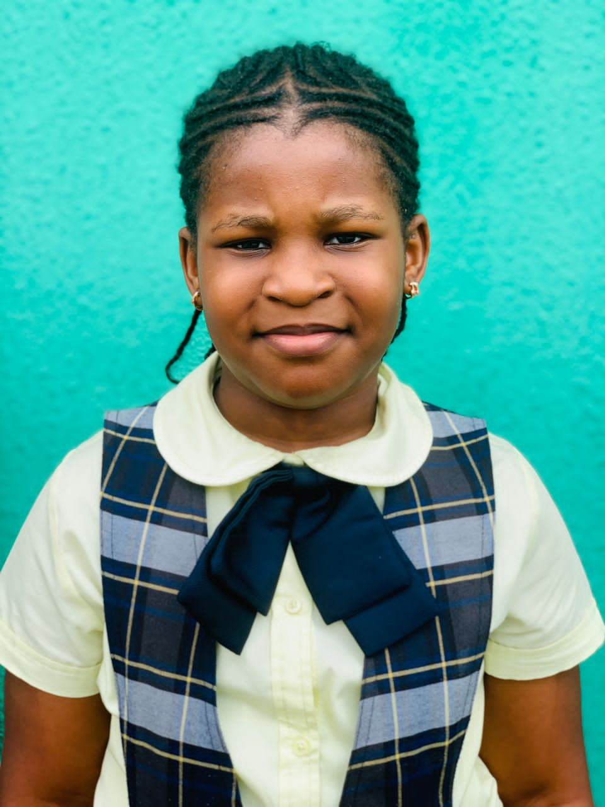 BRAIN BUILDERS MONTESSORI Developing the mental well being of the child No. 2 Chief Nyelebuchi Ihunwo Close - Nvuigwe- Woji, Port Harcourt +234 (0) 8108683705 SECOND TERM RESULT SHEET

REPORT SHEET FOR: |  | KEY STAGE |  |  |  |  | TERM: | SECOND |  | SESSION: |  | 2022/2023
NAME: | BERNICE NENEEBARINI BADEY |  |  |  |  |  | AGE: | 8 |  | CLASS: |  | YEAR 4
POSITION: |  |  | NO. OF SCHOOL DAYS: |  |  | 114 | ABSENT: | NIL | NEXT TERM BEGINS: |  |  | 26/04/2023

COGNITIVE DOMAIN
SUBJECT |  |  | CONTINUOUS ASSESSMENT |  |  | CONTINUOUS ASSESSMENT 40% | EXAM 60% | Cumulative Score 100% | GRADE |  | POSITION
 |  |  | CA1 10% | CA2 15% | CA3 15%
NUMERACY |  |  | 9 | 10 | 5 | 24 | 21 | 45 | D |  | 9
GRAMMAR |  |  | 6.5 | 11 | 6 | 23.5 | 33 | 56.5 | C |  | 6
WORD |  |  | 7 | 8.5 | 7.5 | 23 | 39 | 62 | B |  | 7
CRITICAL THINKING |  |  | 8 | 6 | 13 | 27 | 46 | 73 | B |  | 8
SCIENCE |  |  | 8 | 5.5 | 8.5 | 22 | 40.75 | 62.75 | B |  | 11
GENERAL KNOWLEDGE |  |  | 5.5 | 7.5 | 8 | 21 | 26.5 | 47.5 | D |  | 9
SOCIAL STUDIES |  |  | 6 | 5.9 | 2 | 13.9 | 25 | 38.9 | D |  | 12
CRS |  |  | 6.5 | 8 | 10 | 24.5 | 36 | 60.5 | B |  | 11
TEXT/COMPREHENSION |  |  | 2 | 10 | 6 | 18 | 32 | 50 | C |  | 12
ICT |  |  | 7 | 12 | 8 | 27 | 45 | 72 | B |  | 4

CLASS AVERAGE: |  | 63.4 |  |  |  | GRAND TOTAL: | 568.15 |  | CHILD'S AVERAGE: |  |  | 56.8

KEYS TO RATING: A = EXCELLENT B = VERY GOOD C = GOOD D = FAIR E = POOR F = FAIL
RATING DETAILS: A = 80 - 100 B = 60 - 79 C = 50 - 59 D = 30 - 49 E = 20 - 29 F = 0 - 19

CLASS DIRECTOR'S REMARK |  |  |  |  |  |  | HEAD TEACHER'S REMARK
Bernice is an accountable and responsible pupil. She is a delight to have in class. However, she is encouraged to work on her handwriting and put more effort while performing her academic works. She is also encouraged to keep being consistent in all given tasks. |  |  |  |  |  |  | Bernice is an ethusiastic scholar who always puts in her best efforts in any activity. However, she needs to study more and avoid distractions.

SIGNATURE: |  |  |  |  |  |  | SIGNATURE:

PSYCHOMOTOR DOMAIN |  |  |  |  |  |  | AFFECTIVE DOMAIN
TRAITS |  | A | B | C | D | E | TRAITS |  | A | B | C | D | E
LEGIBILITY |  |  | √ |  |  |  | PUNCTUALITY |  | √
DEXTERITY |  |  | √ |  |  |  | NEATNESS |  | √
HANDLING OF TOOLS |  |  | √ |  |  |  | HONESTY |  |  | √
ACCURACY |  |  |  | √ |  |  | ATTENTIVENESS |  | √
SPORTS AND GAMES |  |  | √ |  |  |  | CO-OPERATIVENESS |  | √
MUSICAL SKILLS |  |  | √ |  |  |  | DILIGENCE |  |  | √
DRAWING & PAINTING |  |  |  | √ |  |  | ASSIGNMENTS |  |  | √
SPEED |  |  |  | √ |  |  | ORGANISATIONAL ABILITY |  |  | √
 | STAMP AND DATE |  |  |  |  |  | CREATIVITY |  |  | √
…Building future leaders |  |  |  |  |  |  | SELF CONTROL |  |  | √
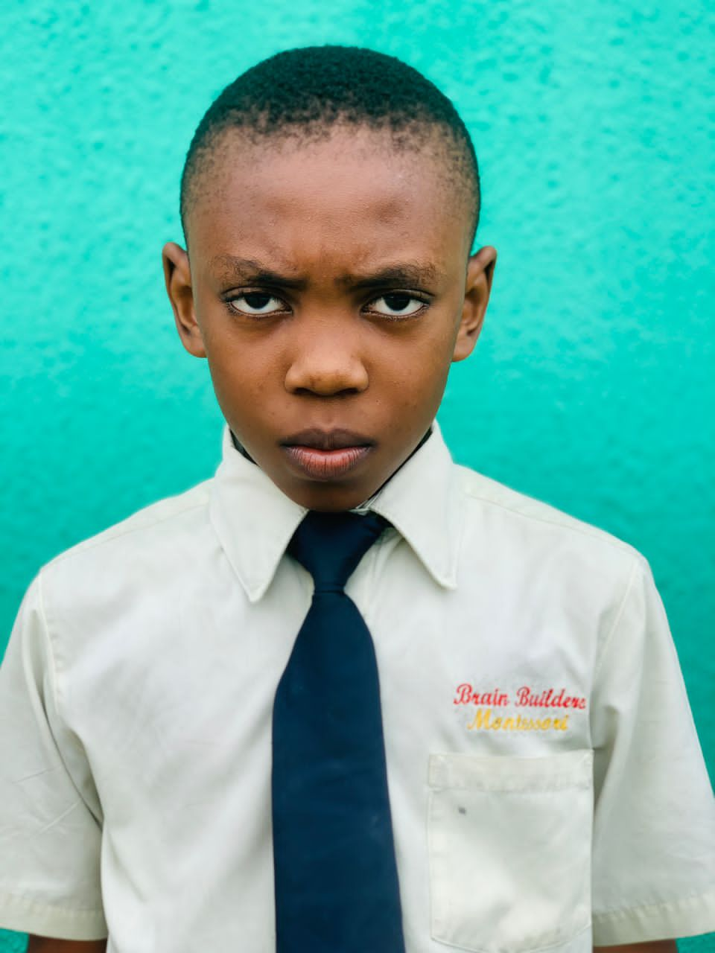 BRAIN BUILDERS MONTESSORI Developing the mental well being of the child No. 2 Chief Nyelebuchi Ihunwo Close - Nvuigwe- Woji, Port Harcourt +234 (0) 8108683705 SECOND TERM RESULT SHEET

REPORT SHEET FOR: |  | KEY STAGE |  |  |  |  | TERM: | SECOND |  | SESSION: |  | 2022/2023
NAME: | OWHE SOLOMON JAPHETH |  |  |  |  |  | AGE: | 10 |  | CLASS: |  | YEAR 4
POSITION: |  |  | NO. OF SCHOOL DAYS: |  |  | 114 | ABSENT: | 2 | NEXT TERM BEGINS: |  |  | 26/04/2023

COGNITIVE DOMAIN
SUBJECT |  |  | CONTINUOUS ASSESSMENT |  |  | CONTINUOUS ASSESSMENT 40% | EXAM 60% | Cumulative Score 100% | GRADE |  | POSITION
 |  |  | CA1 10% | CA2 15% | CA3 15%
NUMERACY |  |  | 7 | 11 | 8 | 26 | 32 | 58 | C |  | 5
GRAMMAR |  |  | 4 | 9 | 8 | 21 | 26 | 47 | D |  | 10
WORD |  |  | 6.5 | 9.3 | 10.5 | 26.3 | 42 | 68.3 | B |  | 4
CRITICAL THINKING |  |  | 9 | 9 | 5 | 23 | 33 | 56 | C |  | 10
SCIENCE |  |  | 9 | 15 | 11.5 | 35.5 | 51.5 | 87 | A |  | 5
GENERAL KNOWLEDGE |  |  | 4.5 | 5.5 | 10 | 20 | 24.5 | 44.5 | D |  | 11
SOCIAL STUDIES |  |  | 4.5 | 11.5 | 9.8 | 25.8 | 31.68 | 57.48 | C |  | 7
CRS |  |  | 7.5 | 14 | 11 | 32.5 | 39.5 | 72 | B |  | 7
TEXT/COMPREHENSION |  |  | 4 | 10 | 13 | 27 | 37.5 | 64.5 | B |  | 8
ICT |  |  | 6 | 11 | 13 | 30 | 45 | 75 | B |  | 2

CLASS AVERAGE: |  | 63.4 |  |  |  |  | 629.78 |  | CHILD'S AVERAGE: |  |  | 63.0

KEYS TO RATING: A = EXCELLENT B = VERY GOOD C = GOOD D = FAIR E = POOR F = FAIL
RATING DETAILS: A = 80 - 100 B = 60 - 79 C = 50 - 59 D = 30 - 49 E = 20 - 29 F = 0 - 19

CLASS DIRECTOR'S REMARK |  |  |  |  |  |  | HEAD TEACHER'S REMARK
Solomon is an exciting pupil who always wears a big smile.He looks for ways to be helpful in the classroom. However,he has a hard time sitting calmly in class which affects his consistent productivity. He is encouraged to be more focused in all given tasks. |  |  |  |  |  |  | Solomon is an ethusiastic scholar who always puts in his best efforts in any activity. However, he needs to study more and avoid distractions.

SIGNATURE: |  |  |  |  |  |  | SIGNATURE:

PSYCHOMOTOR DOMAIN |  |  |  |  |  |  | AFFECTIVE DOMAIN
TRAITS |  | A | B | C | D | E | TRAITS |  | A | B | C | D | E
LEGIBILITY |  |  | √ |  |  |  | PUNCTUALITY |  |  | √
DEXTERITY |  |  | √ |  |  |  | NEATNESS |  | √
HANDLING OF TOOLS |  |  | √ |  |  |  | HONESTY |  | √
ACCURACY |  |  | √ |  |  |  | ATTENTIVENESS |  |  | √
SPORTS AND GAMES |  | √ |  |  |  |  | CO-OPERATIVENESS |  | √
MUSICAL SKILLS |  |  | √ |  |  |  | DILIGENCE |  | √
DRAWING & PAINTING |  | √ |  |  |  |  | ASSIGNMENTS |  |  | √
SPEED |  |  | √ |  |  |  | ORGANISATIONAL ABILITY |  |  | √
 | STAMP AND DATE |  |  |  |  |  | CREATIVITY |  | √
…Building future leaders |  |  |  |  |  |  | SELF CONTROL |  |  | √
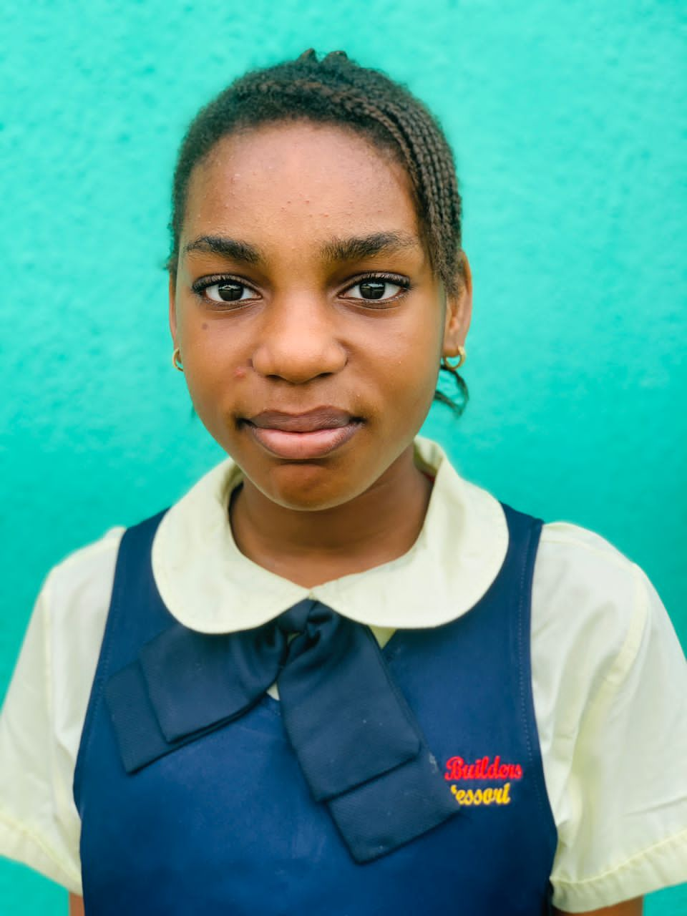 BRAIN BUILDERS MONTESSORI Developing the mental well being of the child No. 2 Chief Nyelebuchi Ihunwo Close - Nvuigwe- Woji, Port Harcourt +234 (0) 8108683705 SECOND TERM RESULT SHEET

REPORT SHEET FOR: |  | KEY STAGE |  |  |  |  | TERM: | SECOND |  | SESSION: |  | 2022/2023
NAME: | EMENIKE CHRISTABEL CHIEMERIE |  |  |  |  |  | AGE: | 10 |  | CLASS: |  | YEAR 4
POSITION: |  |  | NO. OF SCHOOL DAYS: |  |  | 114 | ABSENT: | 6 | NEXT TERM BEGINS: |  |  | 26/04/2023

COGNITIVE DOMAIN
SUBJECT |  |  | CONTINUOUS ASSESSMENT |  |  | CONTINUOUS ASSESSMENT 40% | EXAM 60% | Cumulative Score 100% | GRADE |  | POSITION
 |  |  | CA1 10% | CA2 15% | CA3 15%
NUMERACY |  |  | 4.5 | 2 | 1 | 7.5 | 21.5 | 29 | E |  | 13
GRAMMAR |  |  | 4 | 8 | 8.5 | 20.5 | 25 | 45.5 | D |  | 11
WORD |  |  | 3 | 10 | 7.5 | 20.5 | 25 | 45.5 | D |  | 12
CRITICAL THINKING |  |  | 9 | 6 | 11 | 26 | 28 | 54 | C |  | 11
SCIENCE |  |  | 6.5 | 6.5 | 6 | 19 | 43 | 62 | B |  | 12
GENERAL KNOWLEDGE |  |  | 3.5 | 5.5 | 6 | 15 | 23.5 | 38.5 | D |  | 12
SOCIAL STUDIES |  |  | 3 | 5.5 | 8.5 | 17 | 26.8 | 43.8 | D |  | 11
CRS |  |  | 5 | 6 | 8.5 | 19.5 | 29.8 | 49.3 | C |  | 12
TEXT/COMPREHENSION |  |  | 2 | 10 | 13 | 25 | 30 | 55 | C |  | 11
ICT |  |  | 8 | 12 | 10 | 30 | 45 | 75 | B |  | 2

CLASS AVERAGE: |  | 63.4 |  |  |  | GRAND TOTAL: | 497.6 |  | CHILD'S AVERAGE: |  |  | 49.8

KEYS TO RATING: A = EXCELLENT B = VERY GOOD C = GOOD D = FAIR E = POOR F = FAIL
RATING DETAILS: A = 80 - 100 B = 60 - 79 C = 50 - 59 D = 30 - 49 E = 20 - 29 F = 0 - 19

CLASS DIRECTOR'S REMARK |  |  |  |  |  |  | HEAD TEACHER'S REMARK
Christabel is an exciting pupil who relishes moments spent in class. However, she needs to focus on her legibility skills. Also,she needs constant reminder to focus on her potential and time management. I recommend that time- based activities be given to her for practice. She needs to practice more even at home. |  |  |  |  |  |  | Christabel is a joy to have in class. She has the potential to be a top performer. She needs to develop a reading habit.

SIGNATURE: |  |  |  |  |  |  | SIGNATURE:

PSYCHOMOTOR DOMAIN |  |  |  |  |  |  | AFFECTIVE DOMAIN
TRAITS |  | A | B | C | D | E | TRAITS |  | A | B | C | D | E
LEGIBILITY |  |  |  | √ |  |  | PUNCTUALITY |  |  | √
DEXTERITY |  |  |  | √ |  |  | NEATNESS |  | √
HANDLING OF TOOLS |  |  | √ |  |  |  | HONESTY |  | √
ACCURACY |  |  |  | √ |  |  | ATTENTIVENESS |  |  | √
SPORTS AND GAMES |  |  | √ |  |  |  | CO-OPERATIVENESS |  | √
MUSICAL SKILLS |  |  | √ |  |  |  | DILIGENCE |  |  | √
DRAWING & PAINTING |  |  | √ |  |  |  | ASSIGNMENTS |  |  | √
SPEED |  |  |  | √ |  |  | ORGANISATIONAL ABILITY |  |  | √
 | STAMP AND DATE |  |  |  |  |  | CREATIVITY |  |  | √
…Building future leaders |  |  |  |  |  |  | SELF CONTROL |  | √
 BRAIN BUILDERS MONTESSORI Developing the mental well being of the child No. 2 Chief Nyelebuchi Ihunwo Close - Nvuigwe- Woji, Port Harcourt +234 (0) 8108683705 SECOND TERM RESULT SHEET

REPORT SHEET FOR: |  | KEY STAGE |  |  |  |  | TERM: | SECOND |  | SESSION: |  | 2022/2023
NAME: | EZEBUNWO-AMADI JESSICA SARIMA |  |  |  |  |  | AGE: | 8 |  | CLASS: |  | YEAR 4
POSITION: |  |  | NO. OF SCHOOL DAYS: |  |  | 114 | ABSENT: | NIL | NEXT TERM BEGINS: |  |  | 26/04/2023

COGNITIVE DOMAIN
SUBJECT |  |  | CONTINUOUS ASSESSMENT |  |  | CONTINUOUS ASSESSMENT 40% | EXAM 60% | Cumulative Score 100% | GRADE |  | POSITION
 |  |  | CA1 10% | CA2 15% | CA3 15%
NUMERACY |  |  | 9 | 9 | 6 | 24 | 23.5 | 47.5 | D |  | 8
GRAMMAR |  |  | 10 | 10 | 6 | 26 | 33 | 59 | C |  | 5
WORD |  |  | 9 | 9 | 9 | 27 | 37 | 64 | B |  | 6
CRITICAL THINKING |  |  | 7 | 14 | 14 | 35 | 46 | 81 | A |  | 5
SCIENCE |  |  | 13.5 | 15 | 15 | 43.5 | 47 | 90.5 | A |  | 2
GENERAL KNOWLEDGE |  |  | 7 | 8 | 8 | 23 | 30.5 | 53.5 | C |  | 4
SOCIAL STUDIES |  |  | 9.9 | 8.5 | 8.5 | 26.9 | 32.05 | 58.95 | C |  | 6
CRS |  |  | 12.5 | 13.5 | 13.5 | 39.5 | 50.1 | 89.6 | A |  | 2
TEXT/COMPREHENSION |  |  | 11 | 13 | 13 | 37 | 38 | 75 | B |  | 5
ICT |  |  | 6 | 9 | 11 | 26 | 40 | 66 | B |  | 10

CLASS AVERAGE: |  | 63.4 |  |  |  | GRAND TOTAL: | 685.05 |  | CHILD'S AVERAGE: |  |  | 68.5

KEYS TO RATING: A = EXCELLENT B = VERY GOOD C = GOOD D = FAIR E = POOR F = FAIL
RATING DETAILS: A = 80 - 100 B = 60 - 79 C = 50 - 59 D = 30 - 49 E = 20 - 29 F = 0 - 19

CLASS DIRECTOR'S REMARK |  |  |  |  |  |  | HEAD TEACHER'S REMARK
Sarima is a self-reserved child. She is interested in learning and listens attentively during lessons. She seems to need continuous encouragement in spelling concepts and her general academic activities. I recommend daily practice at home to help her improve in her performance. |  |  |  |  |  |  | Sarima is an ethusiastic scholar who always puts in her best efforts in any activity. However, she needs to study more and avoid distractions.

SIGNATURE: |  |  |  |  |  |  | SIGNATURE:

PSYCHOMOTOR DOMAIN |  |  |  |  |  |  | AFFECTIVE DOMAIN
TRAITS |  | A | B | C | D | E | TRAITS |  | A | B | C | D | E
LEGIBILITY |  |  | √ |  |  |  | PUNCTUALITY |  |  | √
DEXTERITY |  |  | √ |  |  |  | NEATNESS |  |  | √
HANDLING OF TOOLS |  |  |  | √ |  |  | HONESTY |  | √
ACCURACY |  |  | √ |  |  |  | ATTENTIVENESS |  |  | √
SPORTS AND GAMES |  |  |  | √ |  |  | CO-OPERATIVENESS |  | √
MUSICAL SKILLS |  |  |  | √ |  |  | DILIGENCE |  | √
DRAWING & PAINTING |  |  |  | √ |  |  | ASSIGNMENTS |  |  | √
SPEED |  |  | √ |  |  |  | ORGANISATIONAL ABILITY |  |  | √
 | STAMP AND DATE |  |  |  |  |  | CREATIVITY |  |  |  | √
…Building future leaders |  |  |  |  |  |  | SELF CONTROL |  |  | √
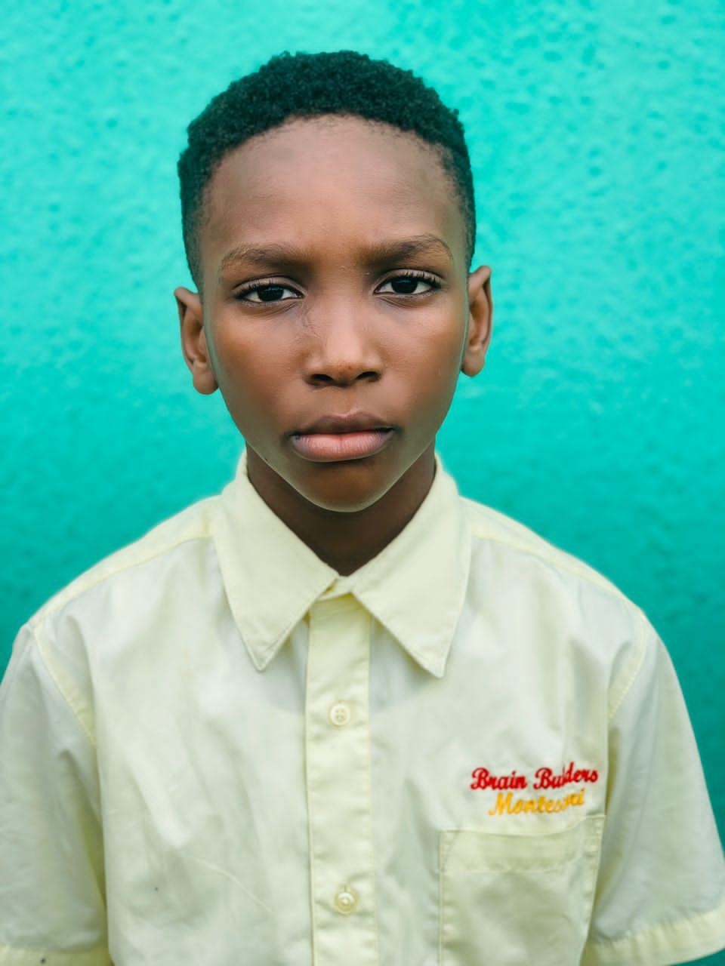 BRAIN BUILDERS MONTESSORI Developing the mental well being of the child No. 2 Chief Nyelebuchi Ihunwo Close - Nvuigwe- Woji, Port Harcourt +234 (0) 8108683705 SECOND TERM RESULT SHEET

REPORT SHEET FOR: |  | KEY STAGE |  |  |  |  | TERM: | SECOND |  | SESSION: |  | 2022/2023
NAME: | OLAREWAJU MICHAEL AYOMIDE |  |  |  |  |  | AGE: | 9 |  | CLASS: |  | YEAR 4
POSITION: |  |  | NO. OF SCHOOL DAYS: |  |  | 114 | ABSENT: | NIL | NEXT TERM BEGINS: |  |  | 2023-04-26

COGNITIVE DOMAIN
SUBJECT |  |  | CONTINUOUS ASSESSMENT |  |  | CONTINUOUS ASSESSMENT 40% | EXAM 60% | Cumulative Score 100% | GRADE |  | POSITION
 |  |  | CA1 10% | CA2 15% | CA3 15%
NUMERACY |  |  | 5.5 | 7 | 7 | 19.5 | 20 | 39.5 | D |  | 11
GRAMMAR |  |  | 3 | 8 | 6.5 | 17.5 | 27.25 | 44.75 | D |  | 12
WORD |  |  | 9.5 | 6 | 10.5 | 26 | 32.5 | 58.5 | C |  | 9
CRITICAL THINKING |  |  | 8 | 6 | 5 | 19 | 35 | 54 | C |  | 11
SCIENCE |  |  | 7.5 | 8 | 11 | 26.5 | 46.5 | 73 | B |  | 10
GENERAL KNOWLEDGE |  |  | 3.5 | 10 | 6.5 | 20 | 26.35 | 46.35 | D |  | 10
SOCIAL STUDIES |  |  | 5.5 | 6 | 7.5 | 19 | 37.9 | 56.9 | C |  | 8
CRS |  |  | 8 | 7 | 13 | 28 | 38.7 | 66.7 | B |  | 10
TEXT |  |  | 4 | 14.5 | 13 | 31.5 | 34 | 65.5 | B |  | 7
ICT |  |  | 7 | 10 | 14 | 31 | 50 | 81 | A |  | 1

CLASS AVERAGE: |  | 63.4 |  |  |  | GRAND TOTAL: | 586.2 |  | CHILD'S AVERAGE: |  |  | 58.6

KEYS TO RATING: A = EXCELLENT B = VERY GOOD C = GOOD D = FAIR E = POOR F = FAIL
RATING DETAILS: A = 80 - 100 B = 60 - 79 C = 50 - 59 D = 30 - 49 E = 20 - 29 F = 0 - 19

CLASS DIRECTOR'S REMARK |  |  |  |  |  |  | HEAD TEACHER'S REMARK
Michael is an exciting pupil who always wears a big smile. He looks for ways to be helpful in the classroom. However, He needs continuous encouragement in concepts taught. |  |  |  |  |  |  | Michael has the potential to be a top performer. However, he needs to study more and play less.

SIGNATURE: |  |  |  |  |  |  | SIGNATURE:

PSYCHOMOTOR DOMAIN |  |  |  |  |  |  | AFFECTIVE DOMAIN
TRAITS |  | A | B | C | D | E | TRAITS |  | A | B | C | D | E
LEGIBILITY |  |  | √ |  |  |  | PUNCTUALITY |  |  | √
DEXTERITY |  |  | √ |  |  |  | NEATNESS |  |  | √
HANDLING OF TOOLS |  |  | √ |  |  |  | HONESTY |  | √
ACCURACY |  |  | √ |  |  |  | ATTENTIVENESS |  |  | √
SPORTS AND GAMES |  |  | √ |  |  |  | CO-OPERATIVENESS |  |  | √
MUSICAL SKILLS |  |  |  | √ |  |  | DILIGENCE |  |  | √
DRAWING & PAINTING |  | √ |  |  |  |  | ASSIGNMENTS |  | √
SPEED |  |  | √ |  |  |  | ORGANISATIONAL ABILITY |  |  | √
 | STAMP AND DATE |  |  |  |  |  | CREATIVITY |  |  | √
…Building future leaders |  |  |  |  |  |  | SELF CONTROL |  |  |  | √
 BRAIN BUILDERS MONTESSORI Developing the mental well being of the child No. 2 Chief Nyelebuchi Ihunwo Close - Nvuigwe- Woji, Port Harcourt +234 (0) 8108683705 SECOND TERM RESULT SHEET

REPORT SHEET FOR: |  | KEY STAGE |  |  |  |  | TERM: | SECOND |  | SESSION: |  | 2022/2023
NAME: | MICHELLE ANTHONY |  |  |  |  |  | AGE: | 8 |  | CLASS: |  | YEAR 4
POSITION: |  |  | NO. OF SCHOOL DAYS: |  |  | 114 | ABSENT: | NIL | NEXT TERM BEGINS: |  |  | 2023-04-26

COGNITIVE DOMAIN
SUBJECT |  |  | CONTINUOUS ASSESSMENT |  |  | CONTINUOUS ASSESSMENT 40% | EXAM 60% | Cumulative Score 100% | GRADE |  | POSITION
 |  |  | CA1 10% | CA2 15% | CA3 15%
NUMERACY |  |  | 7.5 | 12 | 6 | 25.5 | 29.5 | 55 | C |  | 6
GRAMMAR |  |  | 8.25 | 11 | 6.5 | 25.75 | 25 | 50.75 | C |  | 9
WORD |  |  | 6 | 9.8 | 7.5 | 23.3 | 25.5 | 48.8 | D |  | 10
CRITICAL THINKING |  |  | 8 | 14 | 13 | 35 | 43 | 78 | B |  | 7
SCIENCE |  |  | 9 | 10 | 7.5 | 26.5 | 46.75 | 73.25 | B |  | 9
GENERAL KNOWLEDGE |  |  | 4.5 | 10 | 9 | 23.5 | 27.3 | 50.8 | C |  | 6
SOCIAL STUDIES |  |  | 7 | 5.5 | 7.61 | 20.11 | 32.3 | 52.41 | C |  | 10
CRS |  |  | 7.5 | 11 | 13.5 | 32 | 39.5 | 71.5 | B |  | 8
TEXT/COMPREHENSION |  |  | 6 | 13 | 12 | 31 | 37 | 68 | B |  | 6
ICT |  |  | 5 | 9 | 11 | 25 | 40 | 65 | B |  | 13

CLASS AVERAGE: |  | 63.4 |  |  |  | GRAND TOTAL: | 613.51 |  | CHILD'S AVERAGE: |  |  | 61.4

KEYS TO RATING: A = EXCELLENT B = VERY GOOD C = GOOD D = FAIR E = POOR F = FAIL
RATING DETAILS: A = 80 - 100 B = 60 - 79 C = 50 - 59 D = 30 - 49 E = 20 - 29 F = 0 - 19

CLASS DIRECTOR'S REMARK |  |  |  |  |  |  | HEAD TEACHER'S REMARK
Michelle is an exciting scholar. She is responsible and has a high sense of responsibility. However, she is encouraged to pay good attention to every lesson taught. I recommend she is given activities to do at home as further practice. |  |  |  |  |  |  | Michelle is an enthusiastic scholar. She has the potential to be a top performer. However, she needs to study more and avoid distractions.

SIGNATURE: |  |  |  |  |  |  | SIGNATURE:

PSYCHOMOTOR DOMAIN |  |  |  |  |  |  | AFFECTIVE DOMAIN
TRAITS |  | A | B | C | D | E | TRAITS |  | A | B | C | D | E
LEGIBILITY |  |  | √ |  |  |  | PUNCTUALITY |  | √
DEXTERITY |  | √ |  |  |  |  | NEATNESS |  | √
HANDLING OF TOOLS |  | √ |  |  |  |  | HONESTY |  | √
ACCURACY |  |  | √ |  |  |  | ATTENTIVENESS |  |  | √
SPORTS AND GAMES |  | √ |  |  |  |  | CO-OPERATIVENESS |  | √
MUSICAL SKILLS |  | √ |  |  |  |  | DILIGENCE |  | √
DRAWING & PAINTING |  | √ |  |  |  |  | ASSIGNMENTS |  | √
SPEED |  |  | √ |  |  |  | ORGANISATIONAL ABILITY |  | √
 | STAMP AND DATE |  |  |  |  |  | CREATIVITY |  | √
…Building future leaders |  |  |  |  |  |  | SELF CONTROL |  | √
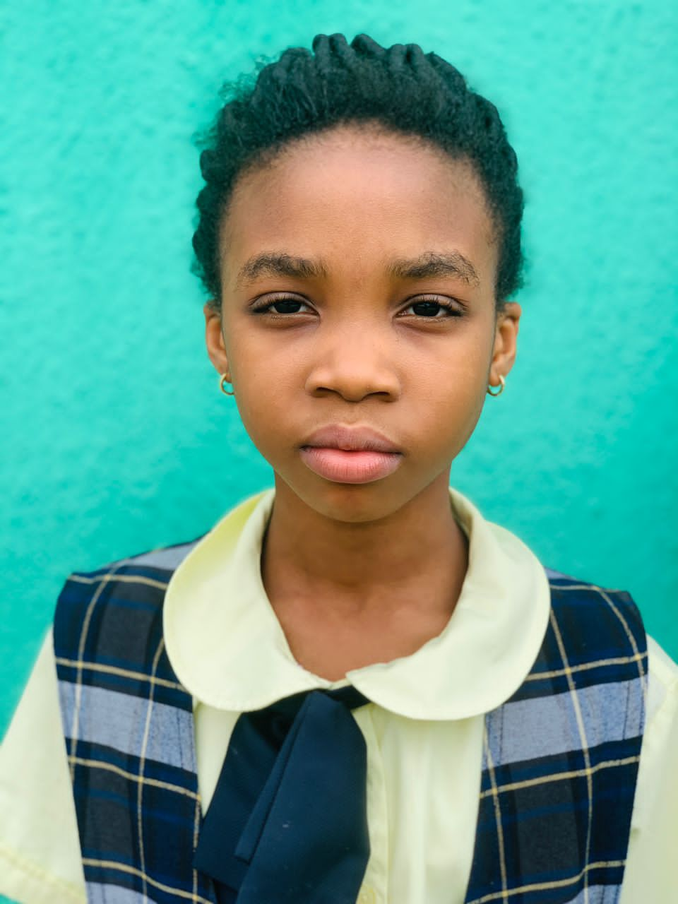 BRAIN BUILDERS MONTESSORI Developing the mental well being of the child No. 2 Chief Nyelebuchi Ihunwo Close - Nvuigwe- Woji, Port Harcourt +234 (0) 8108683705 SECOND TERM RESULT SHEET

REPORT SHEET FOR: |  | KEY STAGE |  |  |  |  | TERM: | SECOND |  | SESSION: |  | 2022/2023
NAME: | TESTIMONY EJIKE |  |  |  |  |  | AGE: | 9 |  | CLASS: |  | YEAR 4
POSITION: |  |  | NO. OF SCHOOL DAYS: |  |  | 114 | ABSENT: | NIL | NEXT TERM BEGINS: |  |  | 2023-04-26

COGNITIVE DOMAIN
SUBJECT |  |  | CONTINUOUS ASSESSMENT |  |  | CONTINUOUS ASSESSMENT 40% | EXAM 60% | Cumulative Score 100% | GRADE |  | POSITION
 |  |  | CA1 10% | CA2 15% | CA3 15%
NUMERACY |  |  | 5 | 8 | 12 | 25 | 27.5 | 52.5 | C |  | 7
GRAMMAR |  |  | 6.5 | 12 | 11 | 29.5 | 34.75 | 64.25 | B |  | 3
WORD |  |  | 8.5 | 10 | 13 | 31.5 | 49 | 80.5 | A |  | 2
CRITICAL THINKING |  |  | 10 | 15 | 15 | 40 | 51 | 91 | A |  | 2
SCIENCE |  |  | 9.5 | 14 | 14.5 | 38 | 51 | 89 | A |  | 3
GENERAL KNOWLEDGE |  |  | 7.5 | 11 | 11.5 | 30 | 34.4 | 64.4 | B |  | 2
SOCIAL STUDIES |  |  | 8.5 | 7.3 | 12.5 | 28.3 | 41.7 | 70 | B |  | 2
CRS |  |  | 9.5 | 13 | 14.5 | 37 | 49.5 | 86.5 | A |  | 4
TEXT/COMPREHENSION |  |  | 7 | 13 | 15 | 35 | 42 | 77 | B |  | 2
ICT |  |  | 8 | 11 | 10 | 29 | 40 | 69 | B |  | 7

CLASS AVERAGE: |  | 63.4 |  |  |  | GRAND TOTAL: | 744.15 |  | CHILD'S AVERAGE: |  |  | 74.4

KEYS TO RATING: A = EXCELLENT B = VERY GOOD C = GOOD D = FAIR E = POOR F = FAIL
RATING DETAILS: A = 80 - 100 B = 60 - 79 C = 50 - 59 D = 30 - 49 E = 20 - 29 F = 0 - 19

CLASS DIRECTOR'S REMARK |  |  |  |  |  |  | HEAD TEACHER'S REMARK
Testimony is an exciting scholar who relishes every momemt spent in class. She takes her academic very seriously .She is interested in learning and listens attentively. However, she needs to loosen up a bit in her social life. |  |  |  |  |  |  | Testimony has had a brilliant term. Such performances are a product of hardwork. She should be encouraged to maintain the tempo.

SIGNATURE: |  |  |  |  |  |  | SIGNATURE:

PSYCHOMOTOR DOMAIN |  |  |  |  |  |  | AFFECTIVE DOMAIN
TRAITS |  | A | B | C | D | E | TRAITS |  | A | B | C | D | E
LEGIBILITY |  | √ |  |  |  |  | PUNCTUALITY |  | √
DEXTERITY |  | v |  |  |  |  | NEATNESS |  | √
HANDLING OF TOOLS |  | √ |  |  |  |  | HONESTY |  | √
ACCURACY |  | √ |  |  |  |  | ATTENTIVENESS |  | √
SPORTS AND GAMES |  | √ |  |  |  |  | CO-OPERATIVENESS |  | √
MUSICAL SKILLS |  | √ |  |  |  |  | DILIGENCE |  | √
DRAWING & PAINTING |  | √ |  |  |  |  | ASSIGNMENTS |  | √
SPEED |  | √ |  |  |  |  | ORGANISATIONAL ABILITY |  | √
 | STAMP AND DATE |  |  |  |  |  | CREATIVITY |  | √
…Building future leaders |  |  |  |  |  |  | SELF CONTROL |  | √
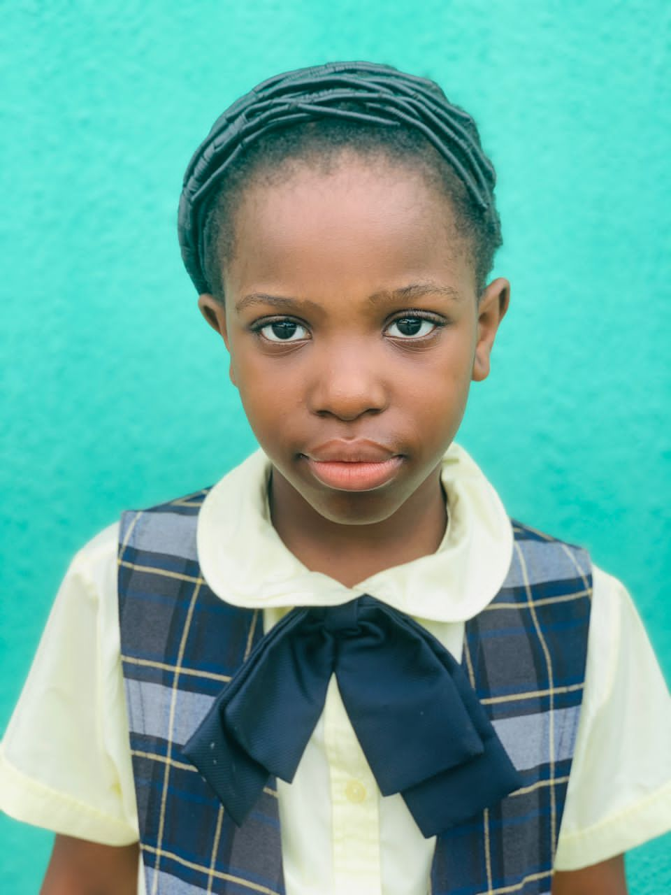 BRAIN BUILDERS MONTESSORI Developing the mental well being of the child No. 2 Chief Nyelebuchi Ihunwo Close - Nvuigwe- Woji, Port Harcourt +234 (0) 8108683705 FIRST TERM RESULT SHEET

REPORT SHEET FOR: |  | KEY STAGE |  |  |  |  | TERM: | FIRST |  | SESSION: |  | 2022/2023
NAME: | NAOMI OSAZUWA |  |  |  |  |  | AGE: | 8 |  | CLASS: |  | YEAR 4
POSITION: |  |  | NO. OF SCHOOL DAYS: |  |  | 114 | ABSENT: | 8 | NEXT TERM BEGINS: |  |  | 2023-04-26

COGNITIVE DOMAIN
SUBJECT |  |  | CONTINUOUS ASSESSMENT |  |  | CONTINUOUS ASSESSMENT 40% | EXAM 60% | Cumulative Score 100% | GRADE |  | POSITION
 |  |  | CA1 10% | CA2 15% | CA3 15%
NUMERACY |  |  | 8.5 | 13 | 9 | 30.5 | 40.5 | 71 | B |  | 1
GRAMMAR |  |  | 9 | 14 | 9 | 32 | 51.5 | 83.5 | A |  | 1
WORD |  |  | 10 | 11.5 | 14 | 35.5 | 54 | 89.5 | A |  | 1
CRITICAL THINKING |  |  | 9 | 14 | 15 | 38 | 55 | 93 | A |  | 1
SCIENCE |  |  | 9 | 15 | 15 | 39 | 53 | 92 | A |  | 1
GENERAL KNOWLEDGE |  |  | 8 | 9 | 13.5 | 30.5 | 39.8 | 70.3 | B |  | 1
SOCIAL STUDIES |  |  | 8 | 13 | 12.5 | 33.5 | 50.25 | 83.75 | A |  | 1
CRS |  |  | 9.5 | 14 | 13 | 36.5 | 58.8 | 95.3 | A |  | 1
TEXT/COMPREHENSION |  |  | 6 | 14 | 13 | 33 | 54.5 | 87.5 | A |  | 1
ICT |  |  | 8 | 8 | 10 | 26 | 40 | 66 | B |  | 10

CLASS AVERAGE: |  | 63.4 |  |  |  | GRAND TOTAL: | 831.85 |  | CHILD'S AVERAGE: |  |  | 83.2

KEYS TO RATING: A = EXCELLENT B = VERY GOOD C = GOOD D = FAIR E = POOR F = FAIL
RATING DETAILS: A = 80 - 100 B = 60 - 79 C = 50 - 59 D = 30 - 49 E = 20 - 29 F = 0 - 19

CLASS DIRECTOR'S REMARK |  |  |  |  |  |  | HEAD TEACHER'S REMARK
Noami is an exciting scholar who relishes every momemt spent in class. She always looks for ways to help.She is interested in learning. However, she needs to learn to manage her emotion and also learn to be calm in class. |  |  |  |  |  |  | Noami has had a brilliant term. Such performances are a product of hardwork. She should be encouraged to maintain the tempo.

SIGNATURE: |  |  |  |  |  |  | SIGNATURE:

PSYCHOMOTOR DOMAIN |  |  |  |  |  |  | AFFECTIVE DOMAIN
TRAITS |  | A | B | C | D | E | TRAITS |  | A | B | C | D | E
LEGIBILITY |  | √ |  |  |  |  | PUNCTUALITY |  | √
DEXTERITY |  | √ |  |  |  |  | NEATNESS |  | √
HANDLING OF TOOLS |  | √ |  |  |  |  | HONESTY |  | √
ACCURACY |  | √ |  |  |  |  | ATTENTIVENESS |  | √
SPORTS AND GAMES |  | √ |  |  |  |  | CO-OPERATIVENESS |  | √
MUSICAL SKILLS |  | √ |  |  |  |  | DILIGENCE |  | √
DRAWING & PAINTING |  | √ |  |  |  |  | ASSIGNMENTS |  | √
SPEED |  | √ |  |  |  |  | ORGANISATIONAL ABILITY |  | √
 | STAMP AND DATE |  |  |  |  |  | CREATIVITY |  | √
…Building future leaders |  |  |  |  |  |  | SELF CONTROL |  | √
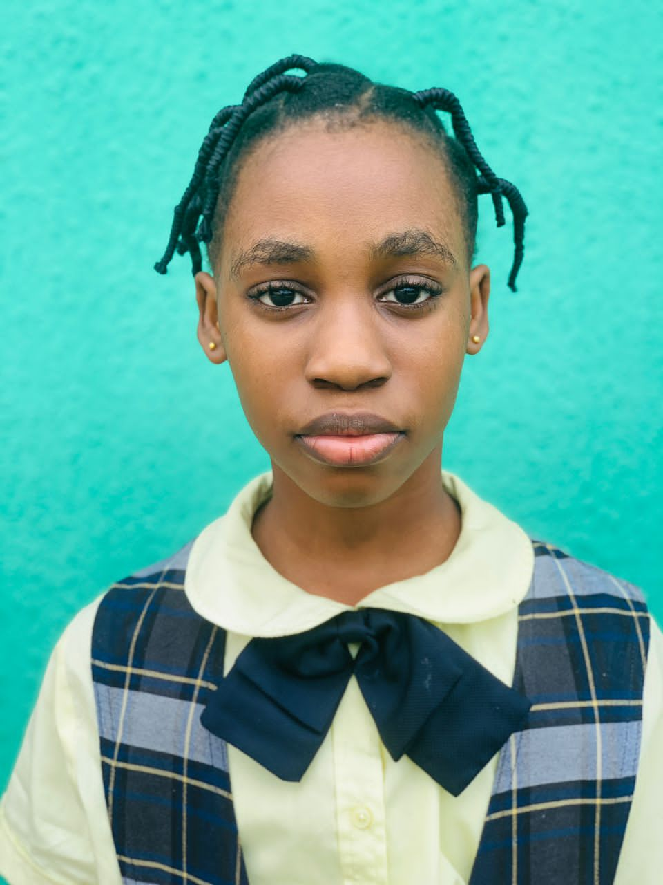 BRAIN BUILDERS MONTESSORI Developing the mental well being of the child No. 2 Chief Nyelebuchi Ihunwo Close - Nvuigwe- Woji, Port Harcourt +234 (0) 8108683705 FIRST TERM RESULT SHEET

REPORT SHEET FOR: |  | KEY STAGE |  |  |  |  | TERM: | FIRST |  | SESSION: |  | 2022/2023
NAME: | BEULAH HAROLD |  |  |  |  |  | AGE: | 9 |  | CLASS: |  | YEAR 4
POSITION: |  |  | NO. OF SCHOOL DAYS: |  |  | 114 | ABSENT: | NIL | NEXT TERM BEGINS: |  |  | 2023-04-26

COGNITIVE DOMAIN
SUBJECT |  |  | CONTINUOUS ASSESSMENT |  |  | CONTINUOUS ASSESSMENT 40% | EXAM 60% | Cumulative Score 100% | GRADE |  | POSITION
 |  |  | CA1 10% | CA2 15% | CA3 15%
NUMERACY |  |  | 5.5 | 12 | 4.5 | 22 | 18 | 40 | D |  | 10
GRAMMAR |  |  | 8 | 11 | 11.5 | 30.5 | 26 | 56.5 | C |  | 6
WORD |  |  | 6 | 10 | 6.5 | 22.5 | 25 | 47.5 | D |  | 11
CRITICAL THINKING |  |  | 7 | 8 | 14 | 29 | 39 | 68 | B |  | 9
SCIENCE |  |  | 7 | 15 | 13 | 35 | 46 | 81 | A |  | 6
GENERAL KNOWLEDGE |  |  | 7.5 | 5.5 | 6.5 | 19.5 | 29.45 | 48.95 | D |  | 7
SOCIAL STUDIES |  |  | 7 | 9.4 | 6.5 | 22.9 | 31.7 | 54.6 | C |  | 9
CRS |  |  | 9.5 | 11.5 | 13 | 34 | 39.2 | 73.2 | B |  | 6
TEXT/COMPREHENSION |  |  | 5 | 14 | 15 | 34 | 42 | 76 | B |  | 3
ICT |  |  | 6 | 9 | 10 | 25 | 45 | 70 | B |  | 5

CLASS AVERAGE: |  | 63.4 |  |  |  | GRAND TOTAL: | 615.75 |  | CHILD'S AVERAGE: |  |  | 61.6

KEYS TO RATING: A = EXCELLENT B = VERY GOOD C = GOOD D = FAIR E = POOR F = FAIL
RATING DETAILS: A = 80 - 100 B = 60 - 79 C = 50 - 59 D = 30 - 49 E = 20 - 29 F = 0 - 19

CLASS DIRECTOR'S REMARK |  |  |  |  |  |  | HEAD TEACHER'S REMARK
Beulah is an exciting pupil who always wears a big smile.She looks for ways to be helpful in the classroom. She consistently needs reminders to focus on time mangement. She seems to need continuous encouragement in concepts taught. |  |  |  |  |  |  | Beulah is a delight to have in class. She can do much better than she has done this term. She needs to develop a reading habit.

SIGNATURE: |  |  |  |  |  |  | SIGNATURE:

PSYCHOMOTOR DOMAIN |  |  |  |  |  |  | AFFECTIVE DOMAIN
TRAITS |  | A | B | C | D | E | TRAITS |  | A | B | C | D | E
LEGIBILITY |  |  | √ |  |  |  | PUNCTUALITY |  |  | √
DEXTERITY |  |  | √ |  |  |  | NEATNESS |  | √
HANDLING OF TOOLS |  | √ |  |  |  |  | HONESTY |  |  | √
ACCURACY |  |  | √ |  |  |  | ATTENTIVENESS
SPORTS AND GAMES |  |  | √ |  |  |  | CO-OPERATIVENESS |  | √
MUSICAL SKILLS |  |  | √ |  |  |  | DILIGENCE |  | √
DRAWING & PAINTING |  |  | √ |  |  |  | ASSIGNMENTS |  | √
SPEED |  |  |  | √ |  |  | ORGANISATIONAL ABILITY |  | √
 | STAMP AND DATE |  |  |  |  |  | CREATIVITY |  | √
…Building future leaders |  |  |  |  |  |  | SELF CONTROL |  | √
 BRAIN BUILDERS MONTESSORI Developing the mental well being of the child No. 2 Chief Nyelebuchi Ihunwo Close - Nvuigwe- Woji, Port Harcourt +234 (0) 8108683705 FIRST TERM RESULT SHEET

REPORT SHEET FOR: |  | KEY STAGE |  |  |  |  | TERM: | FIRST |  | SESSION: |  | 2022/2023
NAME: | PEARL DAVID |  |  |  |  |  | AGE: | 8 |  | CLASS: |  | YEAR 4
POSITION: |  |  | NO. OF SCHOOL DAYS: |  |  | 114 | ABSENT: | 4 | NEXT TERM BEGINS: |  |  | 2023-04-26

COGNITIVE DOMAIN
SUBJECT |  |  | CONTINUOUS ASSESSMENT |  |  | CONTINUOUS ASSESSMENT 40% | EXAM 60% | Cumulative Score 100% | GRADE |  | POSITION
 |  |  | CA1 10% | CA2 15% | CA3 15%
NUMERACY |  |  | 5.5 | 11 | 7 | 23.5 | 44 | 67.5 | B |  | 3
GRAMMAR |  |  | 6.75 | 10 | 8 | 24.75 | 36.25 | 61 | B |  | 4
WORD |  |  | 6 | 9.5 | 10 | 25.5 | 44 | 69.5 | B |  | 3
CRITICAL THINKING |  |  | 8 | 9 | 14 | 31 | 52 | 83 | A |  | 4
SCIENCE |  |  | 8 | 13.5 | 8 | 29.5 | 51.5 | 81 | A |  | 6
GENERAL KNOWLEDGE |  |  | 5.5 | 6.5 | 8.5 | 20.5 | 28.45 | 48.95 | D |  | 7
SOCIAL STUDIES |  |  | 4.5 | 13.8 | 9 | 27.3 | 40.1 | 67.4 | B |  | 3
CRS |  |  | 6 | 11.5 | 13 | 30.5 | 37.5 | 68 | B |  | 9
TEXT/COMPREHENSION |  |  | 6 | 10 | 9 | 25 | 37 | 62 | B |  | 9
ICT |  |  | 7 | 10 | 13 | 30 | 40 | 70 | B |  | 5

CLASS AVERAGE: |  | 63.4 |  |  |  | GRAND TOTAL: | 678.35 |  | CHILD'S AVERAGE: |  |  | 67.8

KEYS TO RATING: A = EXCELLENT B = VERY GOOD C = GOOD D = FAIR E = POOR F = FAIL
RATING DETAILS: A = 80 - 100 B = 60 - 79 C = 50 - 59 D = 30 - 49 E = 20 - 29 F = 0 - 19

CLASS DIRECTOR'S REMARK |  |  |  |  |  |  | HEAD TEACHER'S REMARK
Pearl is an exciting scholar. She is interested in learning and coperates in group discusions. She needs to follow classroom rules more closely throughout the school day.However, she is encouraged to be more studious for better grades next term. |  |  |  |  |  |  | Pearl is a delight to have in class. She can do much better than she has done this term. She needs to develop a reading habit.

SIGNATURE: |  |  |  |  |  |  | SIGNATURE:

PSYCHOMOTOR DOMAIN |  |  |  |  |  |  | AFFECTIVE DOMAIN
TRAITS |  | A | B | C | D | E | TRAITS |  | A | B | C | D | E
LEGIBILITY |  |  | √ |  |  |  | PUNCTUALITY |  | √
DEXTERITY |  |  | √ |  |  |  | NEATNESS |  | √
HANDLING OF TOOLS |  | √ |  |  |  |  | HONESTY |  |  | √
ACCURACY |  |  | √ |  |  |  | ATTENTIVENESS |  |  | √
SPORTS AND GAMES |  | √ |  |  |  |  | CO-OPERATIVENESS |  | √
MUSICAL SKILLS |  | √ |  |  |  |  | DILIGENCE |  | √
DRAWING & PAINTING |  | √ |  |  |  |  | ASSIGNMENTS |  | √
SPEED |  |  | √ |  |  |  | ORGANISATIONAL ABILITY |  |  | √
 | STAMP AND DATE |  |  |  |  |  | CREATIVITY |  | √
…Building future leaders |  |  |  |  |  |  | SELF CONTROL |  | √
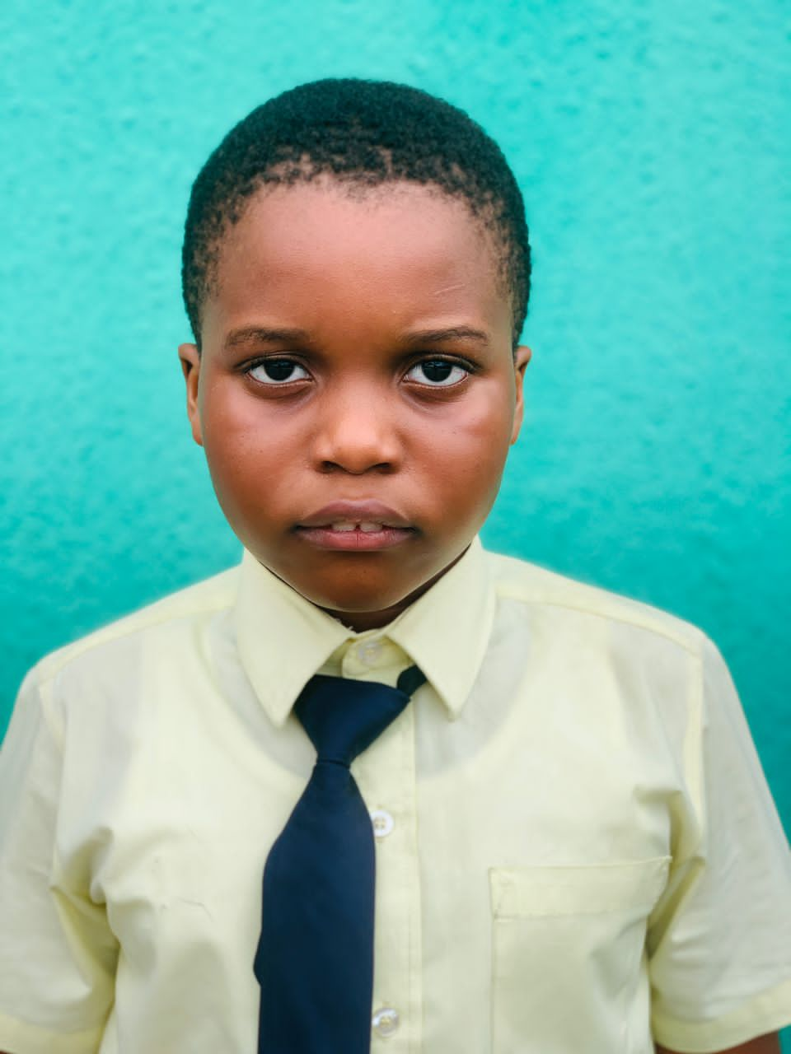 BRAIN BUILDERS MONTESSORI Developing the mental well being of the child No. 2 Chief Nyelebuchi Ihunwo Close - Nvuigwe- Woji, Port Harcourt +234 (0) 8108683705 SECOND TERM RESULT SHEET

REPORT SHEET FOR: |  | KEY STAGE |  |  |  |  | TERM: | SECOND |  | SESSION: |  | 2022/2023
NAME: | KEMZI IZIM |  |  |  |  |  | AGE: | 9 |  | CLASS: |  | YEAR 4
POSITION: |  |  | NO. OF SCHOOL DAYS: |  |  | 114 | ABSENT: | 46 | NEXT TERM BEGINS: |  |  | 2023-04-26

COGNITIVE DOMAIN
SUBJECT |  |  | CONTINUOUS ASSESSMENT |  |  | CONTINUOUS ASSESSMENT 40% | EXAM 60% | Cumulative Score 100% | GRADE |  | POSITION
 |  |  | CA1 10% | CA2 15% | CA3 15%
NUMERACY |  |  | 9 | 10.5 | 8 | 27.5 | 36 | 63.5 | B |  | 4
GRAMMAR |  |  | 5.5 | 11 | 7.5 | 24 | 30.5 | 54.5 | C |  | 8
WORD |  |  | 8 | 9.5 | 9 | 26.5 | 41 | 67.5 | B |  | 5
CRITICAL THINKING |  |  | 10 | 12 | 10 | 32 | 49 | 81 | A |  | 5
SCIENCE |  |  | 8 | 10.5 | 8 | 26.5 | 47 | 73.5 | B |  | 8
GENERAL KNOWLEDGE |  |  | 6.5 | 8 | 9 | 23.5 | 36 | 59.5 | B |  | 3
SOCIAL STUDIES |  |  | 4.5 | 13 | 11 | 28.5 | 38.85 | 67.35 | B |  | 4
CRS |  |  | 6.25 | 14 | 10.5 | 30.75 | 47.3 | 78.05 | B |  | 5
TEXT |  |  | 2 | 11 | 12 | 25 | 35.5 | 60.5 | B |  | 10
ICT |  |  | 8 | 10 | 11 | 29 | 40 | 69 | B |  | 7

CLASS AVERAGE: |  | 63.4 |  |  |  | GRAND TOTAL: | 674.4 |  | CHILD'S AVERAGE: |  |  | 67.4

KEYS TO RATING: A = EXCELLENT B = VERY GOOD C = GOOD D = FAIR E = POOR F = FAIL
RATING DETAILS: A = 80 - 100 B = 60 - 79 C = 50 - 59 D = 30 - 49 E = 20 - 29 F = 0 - 19

CLASS DIRECTOR'S REMARK |  |  |  |  |  |  | HEAD TEACHER'S REMARK
Kemzi is an enthusiastic scholar who is friendly and willing to learn. However, he needs to improve on his time management skill. He needs to be more intentional with his studies. |  |  |  |  |  |  | Kemzi is a delight to have in class. He can do much better than he has done this term. He needs to develop a reading habit.

SIGNATURE: |  |  |  |  |  |  | SIGNATURE:

PSYCHOMOTOR DOMAIN |  |  |  |  |  |  | AFFECTIVE DOMAIN
TRAITS |  | A | B | C | D | E | TRAITS |  | A | B | C | D | E
LEGIBILITY |  |  | √ |  |  |  | PUNCTUALITY |  |  | √
DEXTERITY |  |  | √ |  |  |  | NEATNESS |  | √
HANDLING OF TOOLS |  |  | √ |  |  |  | HONESTY |  |  | √
ACCURACY |  |  | √ |  |  |  | ATTENTIVENESS |  |  | √
SPORTS AND GAMES |  |  |  | √ |  |  | CO-OPERATIVENESS |  |  | √
MUSICAL SKILLS |  |  | √ |  |  |  | DILIGENCE |  |  | √
DRAWING & PAINTING |  |  | √ |  |  |  | ASSIGNMENTS |  | √
SPEED |  |  |  | √ |  |  | ORGANISATIONAL ABILITY |  |  |  | √
 | STAMP AND DATE |  |  |  |  |  | CREATIVITY |  |  | √
…Building future leaders |  |  |  |  |  |  | SELF CONTROL |  | √
BRAIN BUILDERS MONTESSORI Developing the mental well being of the child No. 2 Chief Nyelebuchi Ihunwo Close - Nvuigwe- Woji, Port Harcourt +234 (0) 8108683705 FIRST TERM RESULT SHEET

REPORT SHEET FOR: |  | KEY STAGE |  |  |  |  | TERM: | FIRST |  | SESSION: |  | 2022/2023
NAME: | Aroh Chimdindu Miracle |  |  |  |  |  | AGE: | 9 |  | CLASS: |  | YEAR 5
POSITION: |  |  | NO. OF SCHOOL DAYS: |  |  | 130 | ABSENT: | 46 | NEXT TERM BEGINS: |  |  | 2023-09-01

COGNITIVE DOMAIN
SUBJECT |  |  | CONTINUOUS ASSESSMENT |  |  | CONTINUOUS ASSESSMENT 40% | EXAM 60% | Cumulative Score 100% | GRADE |  | POSITION
 |  |  | CA1 10% | CA2 15% | CA3 15%
NUMERACY |  |  |  |  |  | 0 |  | 0 | F |  | 14
GRAMMAR |  |  |  |  |  | 0 |  | 0 | F |  | 14
WORD |  |  |  |  |  | 0 |  | 0 | F |  | 15
CRITICAL THINKING |  |  |  |  |  | 0 |  | 0 | F |  | 14
SCIENCE |  |  |  |  |  | 0 |  | 0 | F |  | 14
GENERAL KNOWLEDGE |  |  |  |  |  | 0 |  | 0 | F |  | 14
SOCIAL STUDIES |  |  |  |  |  | 0 |  | 0 | F |  | 14
CRS |  |  |  |  |  | 0 |  | 0 | F |  | 14
TEXT |  |  |  |  |  | 0 |  | 0 | F |  | 14
ICT |  |  |  |  |  | 0 |  | 0 | F |  | 14

CLASS AVERAGE: |  | 48.6 |  |  |  | GRAND TOTAL: | 0 |  | CHILD'S AVERAGE: |  |  | 0.0

KEYS TO RATING: A = EXCELLENT B = VERY GOOD C = GOOD D = FAIR E = POOR F = FAIL
RATING DETAILS: A = 80 - 100 B = 60 - 79 C = 50 - 59 D = 30 - 49 E = 20 - 29 F = 0 - 19

CLASS DIRECTOR'S REMARK |  |  |  |  |  |  | HEAD TEACHER'S REMARK
Miracle is an exciting pupil who relishes moments spent in class.He relates accordingly with his classmates. He is outspoken.He needs to focus on his spelling skills.He is encouraged to keep being more focused and studious.

SIGNATURE: |  |  |  |  |  |  | SIGNATURE:

PSYCHOMOTOR DOMAIN |  |  |  |  |  |  | AFFECTIVE DOMAIN
TRAITS |  | A | B | C | D | E | TRAITS |  | A | B | C | D | E
LEGIBILITY |  |  | √ |  |  |  | PUNCTUALITY |  | √
DEXTERITY |  | √ |  |  |  |  | NEATNESS |  |  | √
HANDLING OF TOOLS |  | √ |  |  |  |  | HONESTY |  |  | √
ACCURACY |  | √ |  |  |  |  | ATTENTIVENESS |  |  | √
SPORTS AND GAMES |  | √ |  |  |  |  | CO-OPERATIVENESS |  | √
MUSICAL SKILLS |  | √ |  |  |  |  | DILIGENCE |  | √
DRAWING & PAINTING |  | √ |  |  |  |  | ASSIGNMENTS |  | √
SPEED |  | √ |  |  |  |  | ORGANISATIONAL ABILITY |  | √
 | STAMP AND DATE |  |  |  |  |  | CREATIVITY |  | √
…Building future leaders |  |  |  |  |  |  | SELF CONTROL |  | √
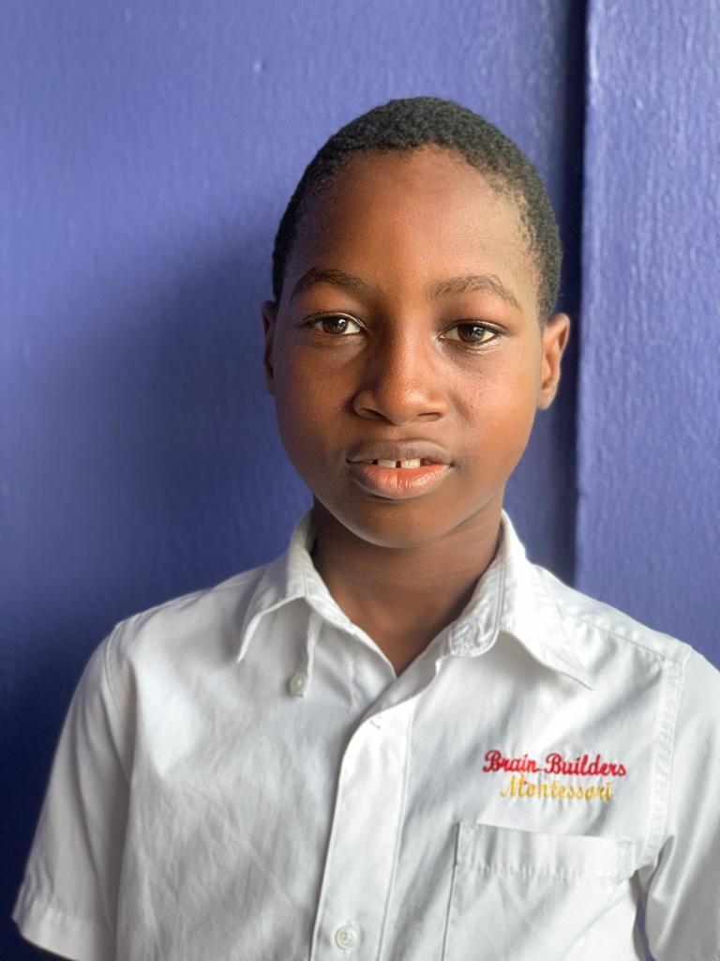 BRAIN BUILDERS MONTESSORI Developing the mental well being of the child No. 2 Chief Nyelebuchi Ihunwo Close - Nvuigwe- Woji, Port Harcourt +234 (0) 8108683705 FIRST TERM RESULT SHEET

REPORT SHEET FOR: |  | KEY STAGE |  |  |  |  | TERM: | FIRST |  | SESSION: |  | 2022/2023
NAME: | Aroh Chiemerie Victor |  |  |  |  |  | AGE: | 9 |  | CLASS: |  | YEAR 5
POSITION: |  |  | NO. OF SCHOOL DAYS: |  |  | 130 | ABSENT: | 44 | NEXT TERM BEGINS: |  |  | 2023-09-01

COGNITIVE DOMAIN
SUBJECT |  |  | CONTINUOUS ASSESSMENT |  |  | CONTINUOUS ASSESSMENT 40% | EXAM 60% | Cumulative Score 100% | GRADE |  | POSITION
 |  |  | CA1 10% | CA2 15% | CA3 15%
NUMERACY |  |  |  |  |  | 0 |  | 0 | F |  | 14
GRAMMAR |  |  |  |  |  | 0 |  | 0 | F |  | 14
WORD |  |  |  |  |  | 22.5 |  | 22.5 | E |  | 14
CRITICAL THINKING |  |  |  |  |  | 0 |  | 0 | F |  | 14
SCIENCE |  |  |  |  |  | 0 |  | 0 | F |  | 14
GENERAL KNOWLEDGE |  |  |  |  |  | 0 |  | 0 | F |  | 14
SOCIAL STUDIES |  |  |  |  |  | 0 |  | 0 | F |  | 14
CRS |  |  |  |  |  | 0 |  | 0 | F |  | 14
TEXT |  |  |  |  |  | 0 |  | 0 | F |  | 14
ICT |  |  |  |  |  | 0 |  | 0 | F |  | 14

CLASS AVERAGE: |  | 48.6 |  |  |  | GRAND TOTAL: | 22.5 |  | CHILD'S AVERAGE: |  |  | 2.3

KEYS TO RATING: A = EXCELLENT B = VERY GOOD C = GOOD D = FAIR E = POOR F = FAIL
RATING DETAILS: A = 80 - 100 B = 60 - 79 C = 50 - 59 D = 30 - 49 E = 20 - 29 F = 0 - 19

CLASS DIRECTOR'S REMARK |  |  |  |  |  |  | HEAD TEACHER'S REMARK
Victor is an exciting scholar. He is interested in learning.He has a hard time sitting calmly in class. He needs to concentrate on spelling.He seems to need continuous encouragement in concepts taught.

SIGNATURE: |  |  |  |  |  |  | SIGNATURE:

PSYCHOMOTOR DOMAIN |  |  |  |  |  |  | AFFECTIVE DOMAIN
TRAITS |  | A | B | C | D | E | TRAITS |  | A | B | C | D | E
LEGIBILITY |  |  | √ |  |  |  | PUNCTUALITY |  | √
DEXTERITY |  | √ |  |  |  |  | NEATNESS |  |  | √
HANDLING OF TOOLS |  | √ |  |  |  |  | HONESTY |  |  | √
ACCURACY |  |  |  | √ |  |  | ATTENTIVENESS |  |  | √
SPORTS AND GAMES |  | √ |  |  |  |  | CO-OPERATIVENESS |  | √
MUSICAL SKILLS |  | √ |  |  |  |  | DILIGENCE |  | √
DRAWING & PAINTING |  | √ |  |  |  |  | ASSIGNMENTS |  | √
SPEED |  |  | √ |  |  |  | ORGANISATIONAL ABILITY |  | √
 | STAMP AND DATE |  |  |  |  |  | CREATIVITY |  | √
…Building future leaders |  |  |  |  |  |  | SELF CONTROL |  | √
BRAIN BUILDERS MONTESSORI Developing the mental well being of the child No. 2 Chief Nyelebuchi Ihunwo Close - Nvuigwe- Woji, Port Harcourt +234 (0) 8108683705 FIRST TERM RESULT SHEET

REPORT SHEET FOR: |  | KEY STAGE |  |  |  |  | TERM: | FIRST |  | SESSION: |  | 2022/2023
NAME: | ANTHONY IFEOMA MAKAYLLA |  |  |  |  |  | AGE: | 8 |  | CLASS: |  | YEAR 4
POSITION: |  |  | NO. OF SCHOOL DAYS: |  |  | 130 | ABSENT: | 6 | NEXT TERM BEGINS: |  |  | 2023-01-09

COGNITIVE DOMAIN
SUBJECT |  |  | CONTINUOUS ASSESSMENT |  |  | CONTINUOUS ASSESSMENT 40% | EXAM 60% | Cumulative Score 100% | GRADE |  | POSITION
 |  |  | CA1 10% | CA2 15% | CA3 15%
NUMERACY |  |  |  |  |  | 0 |  | 0 | F |  | 14
GRAMMAR |  |  |  |  |  | 0 |  | 0 | F |  | 14
WORD |  |  |  |  |  | 0 |  | 0 | F |  | 15
CRITICAL THINKING |  |  |  |  |  | 0 |  | 0 | F |  | 14
SCIENCE |  |  |  |  |  | 0 |  | 0 | F |  | 14
GENERAL KNOWLEDGE |  |  |  |  |  | 0 |  | 0 | F |  | 9
SOCIAL STUDIES |  |  |  |  |  | 0 |  | 0 | F |  | 14
CRS |  |  |  |  |  | 0 |  | 0 | F |  | 14
TEXT |  |  |  |  |  | 0 |  | 0 | F |  | 14
ICT |  |  |  |  |  | 0 |  | 0 | F |  | 14

CLASS AVERAGE: |  | 48.6 |  |  |  | GRAND TOTAL: | 0 |  | CHILD'S AVERAGE: |  |  | 0.0

KEYS TO RATING: A = EXCELLENT B = VERY GOOD C = GOOD D = FAIR E = POOR F = FAIL
RATING DETAILS: A = 80 - 100 B = 60 - 79 C = 50 - 59 D = 30 - 49 E = 20 - 29 F = 0 - 19

CLASS DIRECTOR'S REMARK |  |  |  |  |  |  | HEAD TEACHER'S REMARK
Makaylla is smart, she works very hard to meet her maximum potential and asks for clarifications in areas of confusion. Keep it up!

SIGNATURE: |  |  |  |  |  |  | SIGNATURE:

PSYCHOMOTOR DOMAIN |  |  |  |  |  |  | AFFECTIVE DOMAIN
TRAITS |  | A | B | C | D | E | TRAITS |  | A | B | C | D | E
LEGIBILITY |  |  | √ |  |  |  | PUNCTUALITY |  | √
DEXTERITY |  |  | √ |  |  |  | NEATNESS |  | √
HANDLING OF TOOLS |  | √ |  |  |  |  | HONESTY |  | √
ACCURACY |  | √ |  |  |  |  | ATTENTIVENESS |  | √
SPORTS AND GAMES |  | √ |  |  |  |  | CO-OPERATIVENESS |  | √
MUSICAL SKILLS |  | √ |  |  |  |  | DILIGENCE |  | √
DRAWING & PAINTING |  | √ |  |  |  |  | ASSIGNMENTS |  | √
SPEED |  | √ |  |  |  |  | ORGANISATIONAL ABILITY |  |  | √
 | STAMP AND DATE |  |  |  |  |  | CREATIVITY |  | √
…Building future leaders |  |  |  |  |  |  | SELF CONTROL |  | √
BRAIN BUILDERS MONTESSORI Developing the mental well being of the child No. 2 Chief Nyelebuchi Ihunwo Close - Nvuigwe- Woji, Port Harcourt +234 (0) 8108683705 FIRST TERM RESULT SHEET

REPORT SHEET FOR: |  | KEY STAGE |  |  |  |  | TERM: | FIRST |  | SESSION: |  | 2022/2023
NAME: | IBINABO SOIBI IKIRIKO |  |  |  |  |  | AGE: | 9 |  | CLASS: |  | YEAR 4
POSITION: |  |  | NO. OF SCHOOL DAYS: |  |  | 130 | ABSENT: | 10 | NEXT TERM BEGINS: |  |  | 2023-01-09

COGNITIVE DOMAIN
SUBJECT |  |  | CONTINUOUS ASSESSMENT |  |  | CONTINUOUS ASSESSMENT 40% | EXAM 60% | Cumulative Score 100% | GRADE |  | POSITION
 |  |  | CA1 10% | CA2 15% | CA3 15%
NUMERACY |  |  |  |  |  | 0 |  | 0 | F |  | 14
GRAMMAR |  |  |  |  |  | 0 |  | 0 | F |  | 14
WORD |  |  |  |  |  | 0 |  | 0 | F |  | 15
CRITICAL THINKING |  |  |  |  |  | 0 |  | 0 | F |  | 14
SCIENCE |  |  |  |  |  | 0 |  | 0 | F |  | 14
GENERAL KNOWLEDGE |  |  |  |  |  | 0 |  | 0 | F |  | 14
SOCIAL STUDIES |  |  |  |  |  | 0 |  | 0 | F |  | 14
CRS |  |  |  |  |  | 0 |  | 0 | F |  | 14
TEXT |  |  |  |  |  | 0 |  | 0 | F |  | 14
ICT |  |  |  |  |  | 0 |  | 0 | F |  | 14

CLASS AVERAGE: |  | 48.6 |  |  |  | GRAND TOTAL: | 0 |  | CHILD'S AVERAGE: |  |  | 0.0
0
KEYS TO RATING: A = EXCELLENT B = VERY GOOD C = GOOD D = FAIR E = POOR F = FAIL
RATING DETAILS: A = 80 - 100 B = 60 - 79 C = 50 - 59 D = 30 - 49 E = 20 - 29 F = 0 - 19

CLASS DIRECTOR'S REMARK |  |  |  |  |  |  | HEAD TEACHER'S REMARK
Ibinabo is a smart child who has the potential of doing better if he pays more attention to his work.

SIGNATURE: |  |  |  |  |  |  | SIGNATURE:

PSYCHOMOTOR DOMAIN |  |  |  |  |  |  | AFFECTIVE DOMAIN
TRAITS |  | A | B | C | D | E | TRAITS |  | A | B | C | D | E
LEGIBILITY |  |  | √ |  |  |  | PUNCTUALITY |  | √
DEXTERITY |  |  | √ |  |  |  | NEATNESS |  |  | √
HANDLING OF TOOLS |  | √ |  |  |  |  | HONESTY |  | √
ACCURACY |  | √ |  |  |  |  | ATTENTIVENESS |  |  | √
SPORTS AND GAMES |  | √ |  |  |  |  | CO-OPERATIVENESS |  | √
MUSICAL SKILLS |  | √ |  |  |  |  | DILIGENCE |  | √
DRAWING & PAINTING |  | √ |  |  |  |  | ASSIGNMENTS |  | √
SPEED |  |  | √ |  |  |  | ORGANISATIONAL ABILITY |  |  | √
 | STAMP AND DATE |  |  |  |  |  | CREATIVITY |  | √
…Building future leaders |  |  |  |  |  |  | SELF CONTROL |  | √
BRAIN BUILDERS MONTESSORI Developing the mental well being of the child No. 2 Chief Nyelebuchi Ihunwo Close - Nvuigwe- Woji, Port Harcourt +234 (0) 8108683705 FIRST TERM RESULT SHEET

REPORT SHEET FOR: |  | KEY STAGE |  |  |  |  | TERM: | FIRST |  | SESSION: |  | 2020/2021
NAME: |  |  |  |  |  |  | AGE: | 9 |  | CLASS: |  | YEAR 4
POSITION: |  |  | NO. OF SCHOOL DAYS: |  |  |  | ABSENT: | 6 | NEXT TERM BEGINS: |  |  | 22/3/2021

COGNITIVE DOMAIN
SUBJECT |  |  | CONTINUOUS ASSESSMENT |  |  | CONTINUOUS ASSESSMENT 40% | EXAM 60% | Cumulative Score 100% | GRADE |  | POSITION
 |  |  | CA1 10% | CA2 15% | CA3 15%
NUMERACY |  |  |  |  |  | 0 |  | 0 | F |  | 14
GRAMMAR |  |  |  |  |  | 0 |  | 0 | F |  | 14
WORD |  |  |  |  |  | 0 |  | 0 | F |  | 15
CRITICAL THINKING |  |  |  |  |  | 0 |  | 0 | F |  | 14
SCIENCE |  |  |  |  |  | 0 |  | 0 | F |  | 14
GENERAL KNOWLEDGE |  |  |  |  |  | 0 |  | 0 | F |  | 14
SOCIAL STUDIES |  |  |  |  |  | 0 |  | 0 | F |  | 14
CRS |  |  |  |  |  | 0 |  | 0 | F |  | 14
TEXT |  |  |  |  |  | 0 |  | 0 | F |  | 14
ICT |  |  |  |  |  | 0 |  | 0 | F |  | 14

CLASS AVERAGE: |  | 45.9 |  |  |  | GRAND TOTAL: | 0 |  | CHILD'S AVERAGE: |  |  | 0.0

KEYS TO RATING: A = EXCELLENT B = VERY GOOD C = GOOD D = FAIR E = POOR F = FAIL
RATING DETAILS: A = 80 - 100 B = 60 - 79 C = 50 - 59 D = 30 - 49 E = 20 - 29 F = 0 - 19

CLASS DIRECTOR'S REMARK |  |  |  |  |  |  | HEAD TEACHER'S REMARK

SIGNATURE: |  |  |  |  |  |  | SIGNATURE:

PSYCHOMOTOR DOMAIN |  |  |  |  |  |  | AFFECTIVE DOMAIN
TRAITS |  | A | B | C | D | E | TRAITS |  | A | B | C | D | E
LEGIBILITY |  | √ |  |  |  |  | PUNCTUALITY
DEXTERITY |  |  | √ |  |  |  | NEATNESS
HANDLING OF TOOLS |  | √ |  |  |  |  | HONESTY
ACCURACY |  | √ |  |  |  |  | ATTENTIVENESS
SPORTS AND GAMES |  | √ |  |  |  |  | CO-OPERATIVENESS
MUSICAL SKILLS |  |  | √ |  |  |  | DILIGENCE
DRAWING & PAINTING |  | √ |  |  |  |  | ASSIGNMENTS
SPEED |  |  |  |  |  |  | ORGANISATIONAL ABILITY
 | STAMP AND DATE |  |  |  |  |  | CREATIVITY
…Building future leaders |  |  |  |  |  |  | SELF CONTROL

